Sheet1
******Git commands for commit |  | EXAMPLE
git status | status check: tell us modification done under the repository | git status
git add --all // git add . | add all new files into staging area for commit. | git add demo.java
git commit -m | commit with some message which shows | git commit -m "my first commit"
git remote -v | get difference between remote and local repository
git push origin master // git push | to push all data to git repository
git pull | download all data to local

git remote add origin <repo URL> | link local repository to remote github repository

git clone <repository URL> | clone the remote github repository to local system

git version | check the version of git
git config --global user.name | configure the username
git config --global user.email | configure the email
git log | to check logs: check the commit history
git add filename | add the file into staging area
git checkout <commit hashcode/ branch name> | git checkout <commit hashcode/ branch name> | git checkout dev
git checkout master | return back to the commited part

BRANCH

git branch | it will return current branch name and all the branches
git branch <branch name> | It will create new branch
git checkout -b <branch name> | new branch will be created and directly checkout in it.
git merge <branch name> | It will merge sub branches with parent branch
git checkout <filename> | It will undo to the previous commit. If code is deleted then we can undo that code with last commit.
git checkout -f | It will match all files or changes with previous commit.
git log -p -<count of commit > | It will show list of commit depends on count given by us.
git diff | compare working area with staging area
git commit -a -m "<message>" | It will skiped the staging area and directly commit the changes

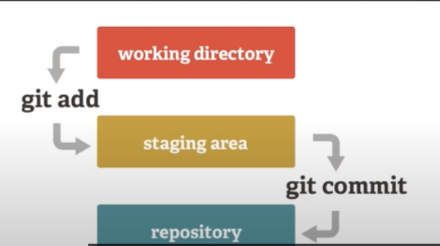 staging area | Staging area: area where we hold the changes. before commit git add filenames==> filenames that want to add into staging area.

.gitignore | All the files and folder written in it, git will ignore them.

TAGS | create tags for current branch
git tag <tagName> | version of releases. create specific points in history for repository/data. This is usually done to mark release points.

git tag -a <tagName> -m "<message>" | annoted tags. We can give message in this annoted tag

git tag -l "v1.*" | it will show all the tags name start with <V1.>

git tag | shows all the tags of current branch

